Indices

 | Iraq Stock Exchange
 | Bulletin No (208)

 | ISX Trading Indices of Thursday 20/11/2025

 | Traded Volume and OTC |  | 676,815,439 |  | Traded Value and OTC |  | 969,948,792 |  | Traders | 900

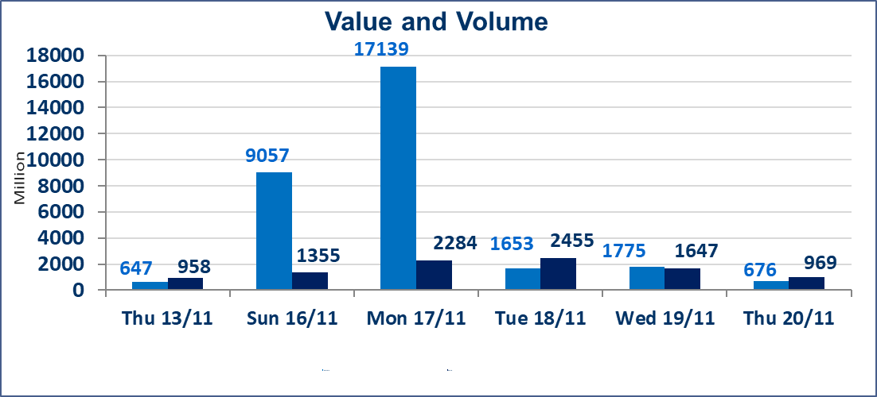
 | ISX Index 60 |  |  | 964.96 | ISX Index 15 |  |  | 1191.65
 | Previous ISX Index60 |  |  | 966.93 | Previous ISX Index15 |  |  | 1187.40
 | Change % |  |  | -0.20 | Change % |  |  | 0.36
 | Change |  |  | -1.97 | Change |  |  | 4.25

 | Listed Companies | 104 | OTC | 11 | Non Traded listed | 38 | OTC | 8
 | Traded Listed Companies | 45 | OTC | 1 | Higher Companies |  |  | 16
 | GAM Companies |  |  | 7 | Lower Companies |  |  | 14
 | Suspended Companies |  |  | 14 | Suspended Companies OTC |  |  | 1
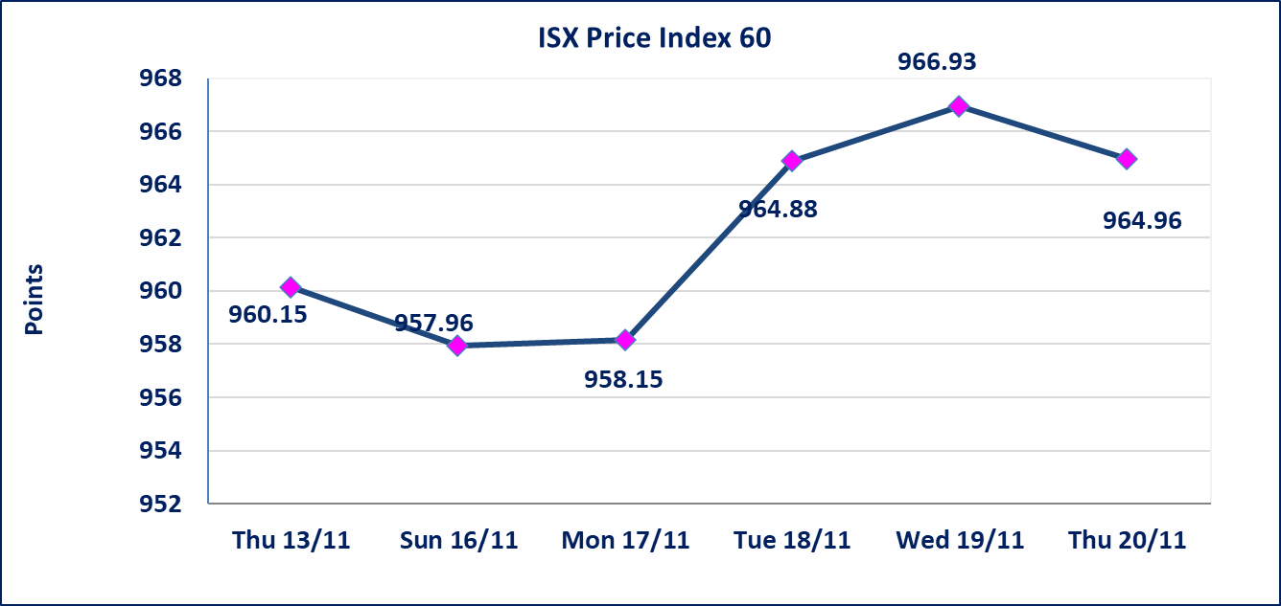
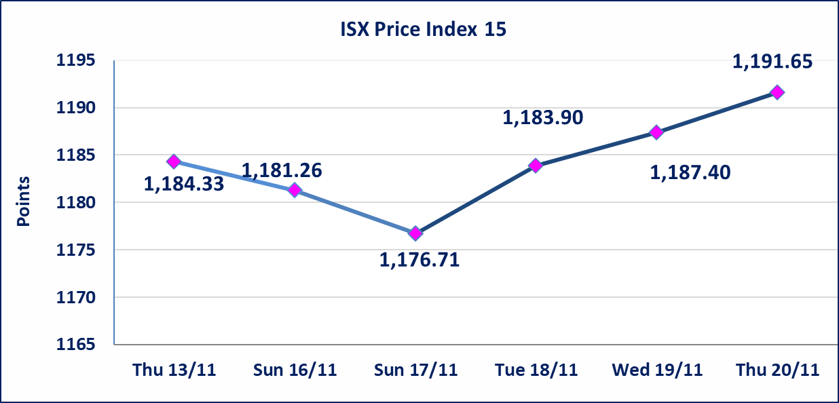

Al-Alwiya P.O . 3607 Mobile: 07711211522 - 07270094594 - 07834000034 E-mail: info-isx@isx-iq.net Web site:www.isx-iq.net

Top 5
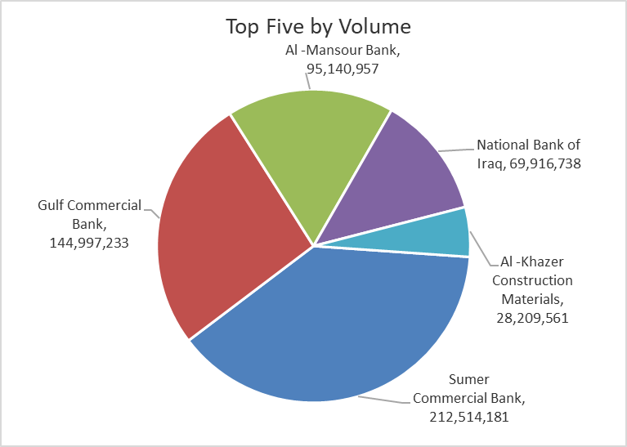
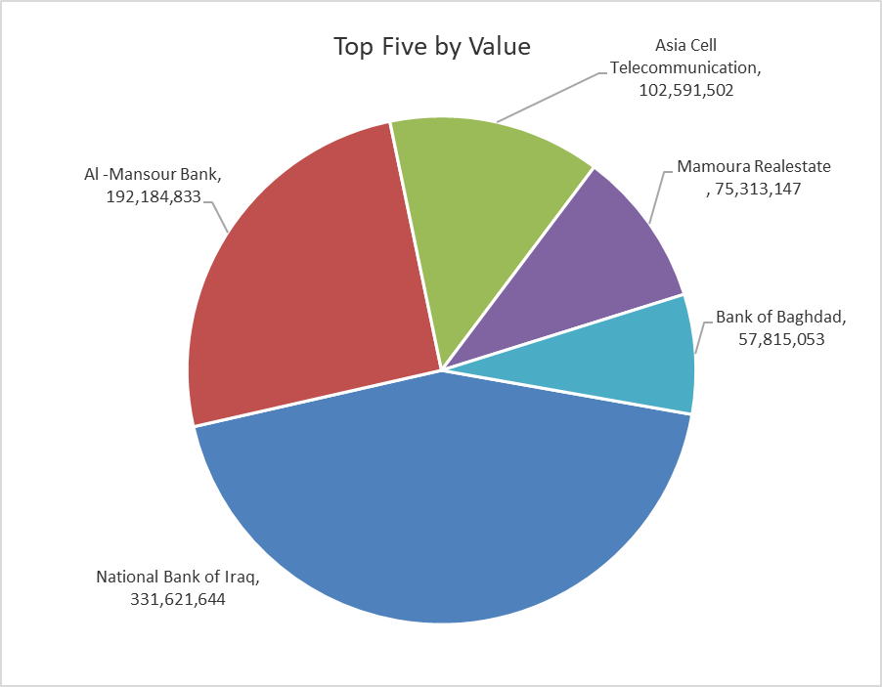
ISX top ganing and losing companies
Thursday 20/11/2025
Gainers |  |  |  | Losers
Company Name | Closing Price | Change (%) | Traded Volume | Company Name | Closing Price | Change (%) | Traded Volume
Tourist Village of Mosul dam | 12.650 | 15.00 | 40,000 | Al-Qabidh Islamic Bank | 0.160 | -11.11 | 1,000,000
Al -Khazer Construction Materials | 1.340 | 9.84 | 28,209,561 | Trans Iraq Bank Investment | 0.190 | -5.00 | 3,000,000
Gulf Commercial Bank | 0.300 | 3.45 | 144,997,233 | Ashur International Bank | 0.260 | -3.70 | 16,001,000
National Bank of Iraq | 4.750 | 3.26 | 69,916,738 | Iraqi Carton Manufactories | 1.950 | -2.50 | 363,218
Al-Ameen for Insurance | 0.980 | 3.16 | 454,597 | Electronic Industry | 2.000 | -2.44 | 1,320,471

The most active companies in term of traded volume and value

Traded Volume |  |  |  | Traded Value
Company Name | Closing Price | Change (%) | Traded Volume | Company Name | Closing Price | Change (%) | Traded Value
Sumer Commercial Bank | 0.110 | 0.00 | 212,514,181 | National Bank of Iraq | 4.750 | 3.26 | 331,621,644
Gulf Commercial Bank | 0.300 | 3.45 | 144,997,233 | Al -Mansour Bank | 2.020 | 0.00 | 192,184,833
Al -Mansour Bank | 2.020 | 0.00 | 95,140,957 | Asia Cell Telecommunication | 13.200 | 0.15 | 102,591,502
National Bank of Iraq | 4.750 | 3.26 | 69,916,738 | Mamoura Realestate | 4.050 | 1.25 | 75,313,147
Al -Khazer Construction Materials | 1.340 | 9.84 | 28,209,561 | Bank of Baghdad | 3.580 | -0.56 | 57,815,053

OTC

Iraq Stock Exchange

Thursday 20/11/2025
OTC Platform Trading Bulletin No (208)
Company Name | Code | highest price | lowest price | Average price | No.of Trades | Traded Volume | Traded Value
Banks Sector
Al-Warka Bank | BWAI | 0.090 | 0.090 | 0.090 | 2 | 11,000,000 | 990,000
Total Of Banks Sector |  |  |  |  | 2 | 11,000,000 | 990,000
Total |  |  |  |  | 2 | 11,000,000 | 990,000

Not Trading OTC Companies
Company Name |  |  | Code |  | Previous Average price
Banks Sector
Hammurabi Commercial Bank |  |  | BHAM |  | ـــــــــــــــــــــــــــــــــــ
Money Service Sector
Rabee Securities |  |  | FRSE |  | 9.500
Karmal Brokerage |  |  | FKSX |  | 10.000
Ishtar Gate for e-Paymant |  |  | FISH |  | 1.000
Sama Baghdad Exchange |  |  | FSBE |  | ـــــــــــــــــــــــــــــــــــ
Iraqi Deposit Insurance Corporation |  |  | FIDI |  | ـــــــــــــــــــــــــــــــــــ
Insurance Sector
Shatt Al Arab Insurance |  |  | NSHA |  | 1.000
Dilina Insurance Company |  |  | NDIL |  | ـــــــــــــــــــــــــــــــــــ

Non OTC

Iraq Stock Exchange
Non Iraqis' Bulletin Thursday Nov 20 2025
Regular Market

Non Iraqi Trading of OTC (Sell)
Company Names | Code | No.of trades | Traded Shares | Trading Volume
Banks Sector
Warka Bank for inv.&Finance | BWAI | 2 | 11,000,000 | 990,000
Total Bank sector |  | 2 | 11,000,000 | 990,000
Grand Total |  | 2 | 11000000 | 990000

